Sheet1
Index | Year | Authors | Affliction | Publisher | Type | Name | My Keywords | Paper Keywords | Limitations | Sensors | Techniques | Figures | Objectives | Contributions | Set up | Relevance
1 | 2023 | Marc-Andrė Blais & Moulay A. Akhloufi | need for an adequate control system | Elsevier B.V. on behalf of KeAi Communications Co. Ltd. | Journal | Cognitive Robotics | Swarm robotics Simulators Reinforcement learning | Swarm robotics Reinforcement learning Intelligent systems Simulators Drones | limited quantity of reviews specifically focused on utilizing reinforcement learning for swarm robotics | RGB, Infrared (IR), LiDAR, GPS | Reinforcement Learning (Model-Free & Model-Based) | 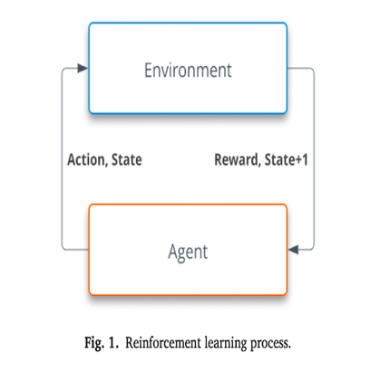 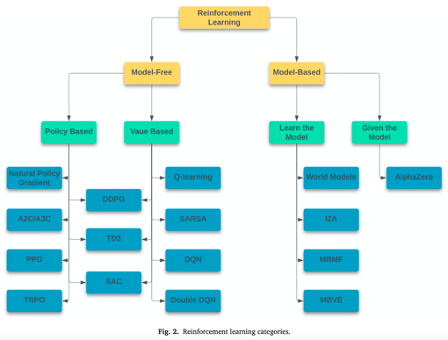 | contribute to the advancement of swarm robotics research based on reinforcement learning | I will use Reinforcement Learning to plan the path for robots to avoid collisions and for warehouse scheduling | Reinforcement learning is one of the three main learning paradigms within AI, alongside supervised and unsupervised learning. Unlike supervised and unsupervised learning, which relies on labeled or unlabeled data, reinforcement learning uses a trial and error approach Agent An individual or entity responsible of making decision and learning in the system. • Environment The world in which an agent interacts, such as boundaries, obstacles and goals. It can be described as everything other than the agent itself in the system.Action A specific movement that is part of a set of possible choices that an agent can select to move within the environment. • State The current representation of the environment from the perspective of an agent and consists of relevant information to the agent. • Reward The feedback signal provided to the agent that is proportional to the desired behavior. • Policy The decision-making process that an agent utilizes to choose an action based on a state such as a neural network or 𝑄-table. | 5
2 | 2023 | Liwei Yang, Ping Li, Song Qian, He Quan, Jinchao Miao, Mengqi Liu, Yanpei Hu, Erexidin Memetimin | Lack of systematic reviews on both single-robot and multi-robot path planning. Challenges in environmental modeling and path evaluation metrics for mobile robots. | MDPI | Journal | Machines | single-agent path planning; multi-agent path planning | mobile robot; map modeling; performance metrics; single-agent path planning; multi-agent path planning | Single-Agent Path Planning (SAPF) works well for individual robots but struggles with scalability in multi-robot (MAPF) systems, leading to traffic bottlenecks and collisions​ . Multi-Agent Path Planning (MAPF) Issues: Local Planning: More robust but cannot guarantee global optimality (robots may get stuck in deadlocks). Global Planning: Reduces conflicts but requires high computational power​ . Hybrid Approaches: Combining both methods improves efficiency but is difficult to implement​ | LiDAR RGB-D Cameras GPS | Graph Search Algorithms: A*, Dijkstra, Theta* Random Sampling Algorithms: RRT, Probabilistic Roadmap (PRM) Potential Field Algorithms: Artificial Potential Field (APF), Elastic Band Algorithm | 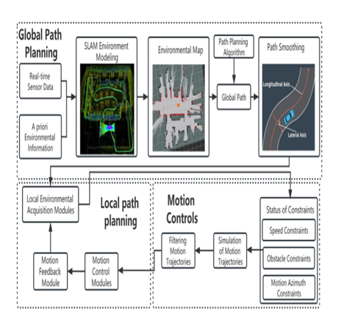 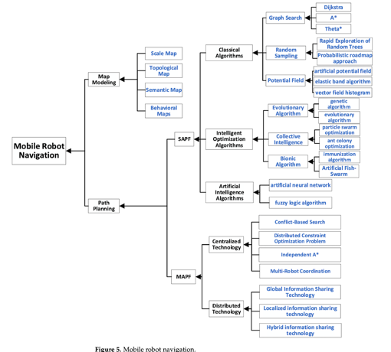 | Classify and Analyze Path Planning Approaches The research categorizes Single-Agent Path Planning (SAPF) and Multi-Agent Path Planning (MAPF) techniques. It explores classical, bio-inspired, and artificial intelligence-based approaches | I will use Dijkstra and maybe A* for the path planning of the robots | Dijkstra algorithm which is capable of computing the shortest path from a starting node to any other node in a weighted directed or undirected graph. A* algorithm that employs heuristic information to guide the search process. The A* algorithm takes into account the cost to reach each node from the starting node and the estimated cost to reach the goal node. The Theta* algorithm permits path searches along arbitrary angles. | 5
3 | 2023 | Jakub Belter, Marek Hering, Paweł Weichbroth | Existing methods for motion trajectory prediction in Warehouse Management Systems (WMS) are scattered and unorganized.. | MDPI | Journal | Applied Sciences | motion trajectory prediction; warehouse management system; | motion trajectory prediction; warehouse management system; systematic literature review | Limited Scope of Reviewed Studies The study is based on a finite number of papers, meaning some important methods or studies might have been overlooked. The selection of papers was influenced by specific search strings and databases, which could introduce bias | LiDAR Ultra-Wideband (UWB) Sensors RGB-D Cameras (Depth Cameras) | Algorithm-Based Methods * A* Algorithm – Optimizes warehouse robot navigation. * Reinforcement Learning (Q-Learning, DQN, MADDPG) Unreal Engine-based Simulations | 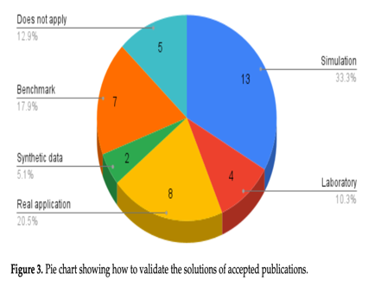 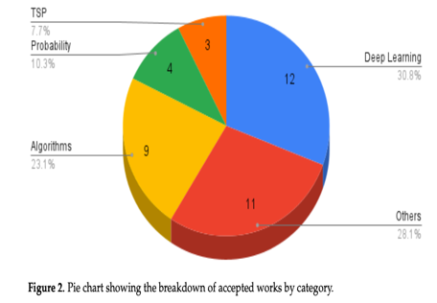 | identify the latest solutions in the field of trajectory prediction. The methods presented in the review will be discussed in terms of their effectiveness, computational complexity, and applications in the context of employees’ movement within the warehouse. | I will use the techniques with their set ups defined including the algorithms for motion trajectory prediction in warehouse management system | Algorithm-Based Methods A* Algorithm – Optimizes warehouse robot navigation. Reinforcement Learning (Q-Learning, DQN, MADDPG) – Enhances multi-agent coordination. Deep Learning Models (CNN, LSTM, GANs) – Used for trajectory prediction and behavior modeling Simulation-Based Approaches Unreal Engine-based Simulations – Used for realistic warehouse environments | 5
4 | 2022 | Shiwei Lin, Ang Liu, Jianguo Wang, Xiaoying Kong | the new challenge in multi-robot path planning is proposed as fault tolerance, which is important for real-time operations. | MDPI | Journal | Machines | multi-robot path planning; bio-inspired algorithms; robots | multi-robot path planning; robots | Reinforcement learning algorithms (e.g., DQN, MADDPG) require extensive training and high processing power. Real-time decision-making for swarm robots is challenging | RGB & Thermal cameras | A Algorithm*: Used for finding the shortest paths in a warehouse environment. Dijkstra's Algorithm: Guarantees shortest paths but is computationally expensive | 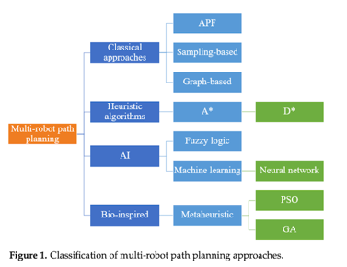 | advance swarm robotics by leveraging reinforcement learning | I will use Dijkstra and maybe A* for the path planning of the robots | Algorithm* – Used to compute the shortest collision-free path. Dijkstra's Algorithm – Evaluates all possible paths to find the globally shortest route. Hybrid A + Reinforcement Learning (DQN, MADDPG)* – Enhances real-time navigation and reduces path computation time | 5
5 | 2022 | Marco Croucamp | The algorithm framework incorporates collision avoidance since the aisle width does not allow two robots to pass each other. | Stellenbosch University | Conferenece | PhD | warehouse automation concepts | metaheuristic optimization methods warehouse automation concepts performance metrics | The study only touches on the impact of warehouse layouts on efficiency. Future research should explore different warehouse configurations and their effects on robot routing and task allocation​ | Radio Signals Cameras Magnets Lasers Stability Control Sensors | raditional Layouts: Rectangular warehouses with fixed aisles and cross-aisles. Advanced Layouts: Flying V Layout – Reduces travel distance by 10-20%. Fishbone Layout – Enhances movement flexibility. Inverted V Layout – Further refines travel distance efficiency​ | 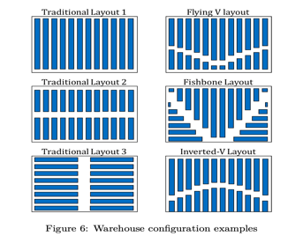 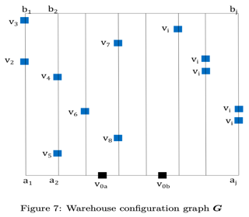 | develop a single objective and multi-objective algorithm framework that can sequence products to be picked or binned, allocate the products to robots and optimise the routing through the warehouse. | I will use the setup of warehouse configuration with task allocation & routing | The warehouse includes pallet racks with parallel aisles. There are two cross aisles for movement between sections. Entry and exit points are strategically placed for efficient order fulfillment​ | 5
6 | 2023 | Shrinivas Deshpande, Abhishek Kumar Kashyap, Bhumeshwar K. Patle | Real-world challenges such as sensor noise, environmental variations, and mechanical failures were not extensively tested | Robotic Systems and Applications | Journal | Robotic Systems and Applications | artificial intelligence mobile robots navigation path planning | artificial intelligence mobile robots navigation path planning neural network fuzzy logic. | The majority of studies reviewed rely on simulations rather than real-world testing. Only 34% of studies used experimental means, while 66% relied on simulations | Ultrasonic Sensors Infrared (IR) Sensors Laser Range Finders Vision Sensors (Cameras) Sonar Sensors | Fuzzy Logic (FL) Introduced by L. A. Zadeh in 1965. Unlike traditional decision-making, FL outputs values between 0 and 1, making it more flexible. Helps in obstacle avoidance by adjusting speed and direction dynamically | 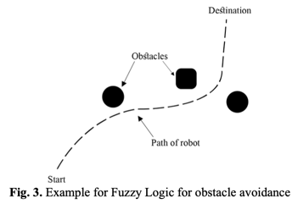 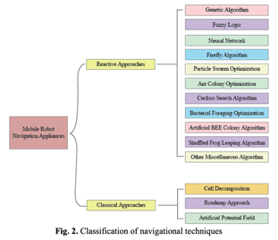 | Benefits of using hybridized techniques instead of the use of individual techniques for better applications and nullification of drawbacks of different algorithms & to compare nature-inspired and conventional path-planning techniques​ | I will use the techniques with their set ups defined | Simulation Setup Tools Used: MATLAB, SIMIAM, V-REP, Gazebo, and Robot Operating System (ROS)​ . Environments: Maze-based configurations with static and dynamic obstacles. Warehouse setups for mobile robots performing navigation tasks. Indoor and outdoor environments for robot movement testing​ | 5
7 | 2019 | B.K. Patle, Ganesh Babu L, Anish Pandey, D.R.K. Parhi, A. Jagadeesh | Many AI-based navigation algorithms (such as Genetic Algorithm (GA), Particle Swarm Optimization (PSO), and Ant Colony Optimization (ACO)) require high computational power, making them difficult to implement in real-time systems | Elsevier (on behalf of China Ordnance Society) | Journal | Defence Technology | Mobile robot navigation - Path planning | Mobile robot navigation - Path planning - Classical approaches Reactive approaches - Artificial intelligence | Most studies focus on simulation-based experiments, with very few real-world applications tested​ | Ultrasonic Sensors Infrared (IR) Sensors Sonar Sensors Vision Sensors | Cell Decomposition (CD): Divides the environment into non-overlapping cells for navigation​ . Roadmap Approach (RA): Creates a connectivity graph for finding paths through free space​ . Artificial Potential Field (APF): Uses attractive and repulsive forces to guide the robot​ | 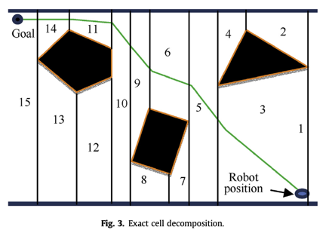 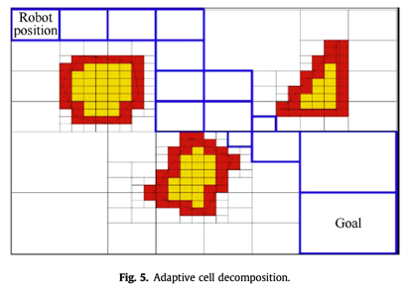 | find out the research gaps and scope of innovation in a particular area | I will use the techniques with their set ups defined | Software Tools: MATLAB, Gazebo, Robot Operating System (ROS)​ . Environment: Virtual obstacle-filled maps, dynamic and static obstacle tests​ . Scenarios Tested: Maze Navigation: Evaluates robots’ ability to escape a maze. Warehouse Routing: Tests efficient robot movement in storage areas. | 5
8 | 2018 | Han-ye Zhang, Wei-ming Lin, Ai-xia Chen | No single algorithm can solve all types of path planning problems. Some algorithms perform well in structured environments, while others excel in dynamic settings​ | MDPI | Journal | Symmetry | path planning; mobile robot; | path planning; mobile robot; environmental modeling; optimization criteria; path search | No Universal Path Planning Algorithm There is no single algorithm that can handle all types of mobile robot path planning scenarios. Different algorithms are suited for different environments, requiring hybrid methods for improved performance​ | LiDAR - ultrasonic RGB-D Cameras GPS (Global Positioning System) | Framework Space Approach: Uses visibility graphs, Voronoi graphs, and tangent graphs. Free Space Approach: Constructs obtainable free space between obstacles. Cell Decomposition Approach: Divides space into smaller regions for pathfinding. Topological Method: Reduces dimensions for fast path planning. Probabilistic Roadmap Method: Uses random sampling to generate roadmap graphs. | 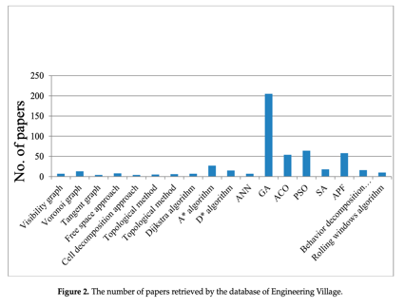 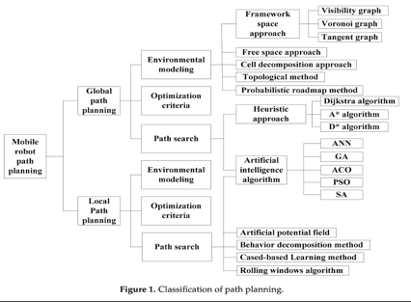 | Distinguish between global and local path planning approaches. Analyze heuristic-based methods (Dijkstra, A*). | I will use the techniques with their set ups defined | Most of the reviewed techniques (e.g., A*, Genetic Algorithm, ACO, PSO) are tested in simulated environments before real-world implementation. Common simulation tools include: MATLAB/Simulink: Used for algorithm implementation and path visualization. Gazebo (with ROS - Robot Operating System): Used for testing mobile robots in 3D environments. Webots or V-REP: Physics-based simulators for autonomous robots. OpenCV or Python-based environments: For implementing AI-based methods. | 5
9 | 2024 | Abhishekar Reddy Allam, Narayana Reddy Bommu Sridharlakshmi, Pavan Kumar Gade, Satya Surya MKLG Gudimetla Naga Venkata | Logistics operations are becoming more sophisticated and extensive due to the increasing demands of global supply chains. | Robotics Xplore: USA Tech Digest | Journal | Robotics Xplore: USA Tech Digest | Swarm Robotics, Multi-Robot Systems, Warehouse Management, | Swarm Robotics, Coordination, Efficiency, Logistics Operations, Autonomous Systems, Multi-Robot Systems, Warehouse Management, Logistics Automation | Reliable communication among swarm robots is challenging due to signal interference, network congestion, and data transmission delays. Coordination among multiple autonomous robots is difficult, leading to task synchronization problems in real-world logistics environments. | RGB, Infrared (IR), LiDAR, | Decentralized Control System Inspired by biological swarms (e.g., ants, bees, and termites), robots operate without a central controller, making decisions based on local interactions. | 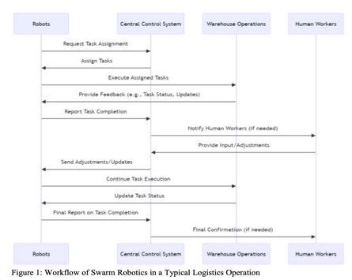 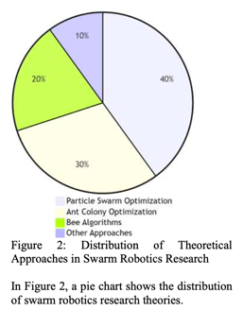 | to investigate how swarm robotics can improve coordination, efficiency, and adaptability in logistics operations. | I will use the techniques with their set ups defined | Uses MATLAB, Webots, and Gazebo for robot behavior modeling and swarm interaction analysis. Virtual environments are used to test navigation, path planning, and obstacle avoidance strategies before real-world deployment. | 4
10 | 2023 | James R. Heselden, Gautham P. Das | many approaches are not designed with meaningful real-world implications in mind and are not scalable to large multi-robot systems | MDPI | Journal | Machines | prioritised planning; | coordination; prioritised planning; routing; MRPP | The computational complexity of MRPP grows exponentially as the number of robots and the environment size increases. Many prioritization-based MRPP methods do not guarantee deadlock-free paths, causing robots to get stuck in traffic-like scenarios | RGB, Infrared (IR), LiDAR,GPS | Assigns priorities to robots and plans their paths sequentially. Higher-priority robots move first, while lower-priority robots adjust their paths accordingly. A Algorithm* → Finds shortest paths using heuristic estimates. Dijkstra's Algorithm → Guarantees the shortest path but is computationally expensive. Space–Time Search (CA)* → Considers time as a third dimension for better collision avoidance. |  | to look into the coordination and path-planning issues and challenges faced when working with multi-robot systems, especially those using a prioritised planning approach, and identify key areas that are not well-explored and the scope of applying existing MRPP approaches to real-world settings. | I will use the techniques with their set ups defined | Simulation Platforms Mentioned: Gazebo (with ROS - Robot Operating System) Webots MATLAB Python-based Simulations (e.g., OpenAI Gym, Pybullet) Purpose: Test path planning algorithms before real-world deployment. Evaluate performance metrics like collision avoidance, task completion time, and scalability. | 4
11 | 2023 | Hongwei Qin, Shiliang Shao, Ting Wang, Xiaotian Yu, Yi Jiang, Zonghan Cao | Mobile robots must navigate dynamic and unpredictable terrains with obstacles. Existing path planning algorithms (e.g., A*, Dijkstra, Genetic Algorithm, Ant Colony Optimization) have drawbacks like slow convergence, local optima, and high computational costs. | MDPI | Journal | Drones | mobile robot; path planning; multi-robot cooperative | mobile robot; autonomous underwater robot; unmanned aerial robot; path planning; multi-robot cooperative | Many traditional algorithms (A*, Dijkstra, Genetic Algorithm, etc.) struggle with local optima, slow convergence, and high computational cost. Sampling-based methods (e.g., RRT, PRM) may generate unstable paths or require excessive computation in complex environments. Artificial intelligence-based methods (e.g., Neural Networks, Reinforcement Learning) need large training datasets and may not generalize well to unseen environments. | Lidar Camera-Based Sensors IMU Ultrasonic Sensors GPS Sonar | A* Algorithm – Heuristic-based pathfinding, efficient but may have excessive turns. Dijkstra’s Algorithm – Finds the shortest path but is computationally expensive. Genetic Algorithm (GA) – Evolutionary approach, good for global optimization but slow convergence. Ant Colony Optimization (ACO) – Uses pheromone trails for pathfinding but suffers from local optima. |  | Introduces path planning and obstacle avoid- ance methods for mobile robots to provide a reference for researchers in this field. In addition, it comprehensively summarizes the recent progress and breakthroughs of mobile robots in the field of path planning and discusses future directions worthy of research in this field. | I will use the techniques with their set ups defined | Graph-Based Search (A*, Dijkstra) Heuristic Intelligent Search (GA, ACO, PSO) AI-Based Approaches (Neural Networks, Reinforcement Learning) Sampling-Based Methods (RRT, PRM) | 4
12 | 2021 | Pollyanna G. Faria Dias, Mateus C. Silva, Geraldo P. Rocha Filho, Patrícia A. Vargas, Luciano P. Cota, Gustavo Pessin | As the number of robots increases, coordination and communication become more complex. | MDPI | Journal | Sensors | Swarm Robotics; multi-robot systems; robotics; | Swarm Robotics; multi-robot systems; robotics; Swarm Intelligence | As the number of robots increases, communication overhead and coordination complexity become major challenges. Implementing swarm robotics in dynamic, unstructured environments remains difficult. | Lidar Camera-Based Sensors IMU Ultrasonic Sensors GPS | Self-Organization → Robots coordinate without a central controller. Decentralized Control → Each robot makes local decisions based on its surroundings. Potential Field Methods → Uses attractive and repulsive forces for path planning. |  | Introduces an overview of current activities in Swarm Robotics and examines the present literature in this area to establish to approach between a realistic swarm robotic system and real-world enforcements. | I will use the techniques with their set ups defined | Gazebo → A 3D physics-based robotic simulator. Webots → Used for multi-robot simulations with physics modeling. ARGoS → A highly scalable simulator supporting large swarms. V-Rep (CoppeliaSim) → Allows flexible simulation of robotic swarms. | 4
13 | 2024 | Russell Keith, Hung Manh La | Converting traditional warehouses into smart warehouses requires a significant upfront cost ($150 - $200 per square foot). AMRs need to accurately localize themselves in a dynamic warehouse environment. | arXiv | Journal | arXiv | Autonomous mobile robot, warehouse | Autonomous mobile robot, warehouse, smart manufacturing | Different AMR solutions lack interoperability due to proprietary software and hardware. The impact of network congestion, multi-robot coordination, and task distribution is not deeply analyzed. | Lidar IMU Ultrasonic Sensors IR | SLAM (Simultaneous Localization and Mapping): Uses LiDAR, 3D cameras, and IMU to create a map of the warehouse and localize the robot in real time. Hybrid Navigation: Combines GPS for large areas and magnetic strip sensors for precise positioning, ensuring both global and local accuracy. A* Algorithm: A heuristic search algorithm that finds the shortest and most efficient path between two points. Genetic Algorithms (GA): Uses mutation, crossover, and selection to evolve an optimal path over multiple iterations. |  | Covers the recent developments in AMR technology including hardware, robotic control, and system control. Discusses examples of current AMR producers, their robots, and the software that is used to control them. | I will use the techniques with their set ups defined | Sensor Configurations: AMRs are equipped with LiDAR, 3D cameras, IMU, ultrasonic sensors, and RFID readers for navigation, obstacle detection, and inventory management. Simulators Used: The study references popular robotic simulation environments, including Gazebo, Webots, ARGoS, and CoppeliaSim (V-Rep). | 4
14 | 2023 | Zhang Honglin, Wu Yaohua, Hu Jinchang, Wang Yanyan | Warehouse task scheduling is highly dynamic, requiring real-time decisions. Multiple robots must navigate the same warehouse space, leading to route conflicts and congestion. | Springer | Journal | Complex & Intelligent Systems | Intelligent warehouse · Picking · Task scheduling · Multi-agent path finding · | Intelligent warehouse · Picking · Task scheduling · Multi-agent path finding · HEFT | The proposed algorithms are only tested in simulations and have not been validated in real warehouses. The research assumes fixed warehouse layouts with consistent traffic flow. | Lidar IMU Ultrasonic Sensors IR | HEFT (Heterogeneous Earliest Finish Time) Algorithm → A heuristic scheduling method that prioritizes tasks based on their expected finish time. EHEFT (Enhanced HEFT) Algorithm → An improved version of HEFT that dynamically adjusts task ordering and resource allocation. Priority-Based Task Assignment → Assigns tasks to robots based on priority constraints and order dependencies. Simulation-Based Testing → Uses a virtual warehouse environment to test different algorithms. Quality of Service (QoS) Metric → Measures system efficiency based on order completion time and resource utilization. |  | Develop an enhanced scheduling algorithm (EHEFT) to improve order processing efficiency. Improve order sequencing and robot assignment to reduce waiting time and delays. | I will use the techniques with their set ups defined | * Computer Specifications: * Processor: Intel i3-9100F CPU * RAM: 16GB * Storage: 500GB SSD * Graphics Card: NVIDIA GTX 1605s * Robot Configurations: * Robots are simulated with a fixed speed of 2m/s. * Path planning includes a turning penalty factor (ω = 2) to account for slow turns. The research compares different scheduling and path planning algorithms, including: * HEFT, EHEFT, SPT, LPT, FCFS (for task scheduling). * CBS, A, RRT, PP, PGMAPF* (for path planning). | 3
15 | 2021 | Kaushlendra Sharma, Rajesh Doriya | Ensuring multiple robots move without collisions while optimizing their paths is a difficult task, requiring advanced algorithms. The proposed approach requires significant computing power, which may not be feasible for large-scale real-world applications. | Springer-Verlag GmbH Germany, part of Springer Nature | Journal | Intelligent Service Robotics | Multi-robot · Path planning · Warehouse | Multi-robot · Path planning · Coordination · Warehouse | The proposed approach is tested in a static warehouse setup, whereas real-world warehouses are dynamic, with constantly changing pod positions. The smart selection method considers obstacles in only one dimension (length or width). If an obstacle has a larger width than length, the approach may fail to find the optimal robot-target pair. | Lidar IMU Ultrasonic Sensors IR RFID | A new distance metric is introduced to assign goals to robots smartly by considering obstacles in the path. A collision-free path planning method is proposed, ensuring multiple robots navigate a warehouse without collisions. | 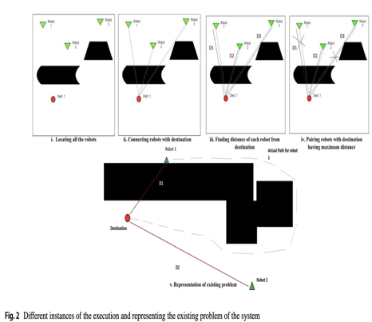 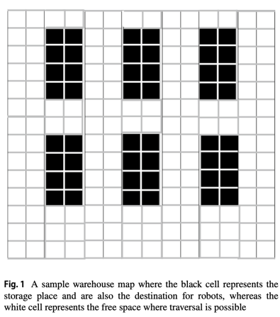 | A comparative study with the acclaimed path planning and coordination has been presented. The proposed smart approach has been presented for a multi-robot system to find a collision-free optimal path in a warehouse to handle storage pods. This paper proposes a smart distance metric-based approach for a multi-robot system to identify their goals smartly and traverse only a minimal path to reach their goal without getting being collided. | I will use the techniques with their set ups defined | A static warehouse environment is used for simulations. The warehouse contains storage pods (black cells) and free traversal spaces (white cells). The experiments use multi-robot coordination in different scenarios: * 1 robot, 1 pod * 2 robots, 2 pods * 4 robots, 4 pods * 8 robots, 8 pods * 16 robots, 48 pods * 16 robots, 800 pods | 4
16 | 2022 | Miklós Gubán, József Udvaros | Since the warehouse is GPS-inaccessible, drones must rely on QR codes and internal positioning, which can lead to navigation errors. QR code recognition depends on lighting conditions, camera quality, and proper alignment. | MDPI | Journal | Drones | stock inventory | stock inventory; drone; genetic algorithm | The research primarily focuses on a mathematical model and simulations, lacking real-world implementation in an actual warehouse. The proposed model requires pre-planned routes for drones, making it less adaptive to real-time changes in warehouse conditions | Lidar IMU Ultrasonic Sensors IR RFID | The study uses Genetic Algorithms (GA) to optimize drone path planning. GA helps find the optimal routes for drones to navigate warehouse aisles efficiently. The system enables multiple drones to work simultaneously while avoiding collisions. | 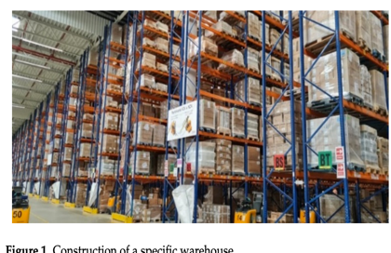 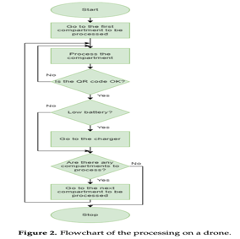 | Design a mathematical model for multi-drone inventory management in warehouses. Optimize drone movements using a Genetic Algorithm (GA) to minimize travel time. | I will use the techniques with their set ups defined | A high-shelf warehouse with multiple aisles is considered. The warehouse is GPS-inaccessible, meaning drones cannot rely on satellite positioning. Multiple drones are deployed to scan inventory efficiently. | 2
17 | 2021 | HyeokSoo Lee, Jongpil Jeong | The research focuses only on one mobile robot at a time. | MDPI | Journal | Applied Sciences | warehouse environment; mobile robot path optimization; | warehouse environment; mobile robot path optimization; reinforcement learning | Real-world factors like sensor errors, hardware malfunctions, and environmental changes were not considered. The research focuses only on one mobile robot at a time. | Lidar IMU Ultrasonic Sensors IR RFID | The robot learns through trial and error, receiving rewards for efficient movements. A model-free reinforcement learning algorithm that updates its knowledge using a Q-table | 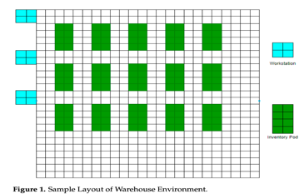 | Implement a reinforcement learning-based approach to optimize mobile robot navigation in a warehouse. Improve efficiency and accuracy of robot pathfinding. | I will use the techniques with their set ups defined | A 25×25 grid-based warehouse is created for testing. The study focuses on a single mobile robot for path optimization. The robot follows pre-defined movement rules within the warehouse grid. | 3
18 | 2019 | Luis Piardi, Vivian Cremer Kalempa, Marcelo Limeira, André Schneider de Oliveira, Paulo Leitão | The ARENA platform is a miniature warehouse, meaning it may not fully replicate the challenges of large-scale industrial warehouses. The research heavily relies on AR overlays to simulate robots, forklifts, and goods. | MDPI | Journal | Sensors | augmented reality; multi-robot; | smart factories; augmented reality; multi-robot; virtual LRF | The ARENA platform is a miniature warehouse model, which may not accurately represent the challenges of full-scale industrial warehouses. Virtual elements may not perfectly match real-world behaviors, leading to potential discrepancies when transitioning to real applications. | RGB-D Camera (Depth Camera) Virtual Laser Range Finder (LRF) Sensors | Uses AR overlays to integrate virtual forklifts, goods, and logistics markers into a real-world testing environment. Robots interact with virtual objects to mimic real-world warehouse operations like inventory handling and transportation. | 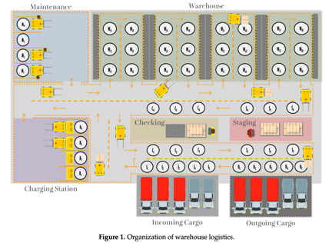 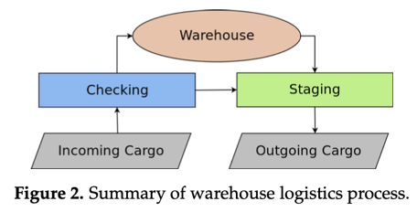 | Introduce ARENA, a small-scale warehouse environment for testing multi-robot systems (MRS). Create a platform where multiple autonomous robots (swarm robots) can collaborate and interact. | I will use the techniques with their set ups defined | The ARENA platform is a miniature warehouse designed for experimenting with automation strategies. It includes key warehouse areas such as: Incoming Cargo Zone – Where goods are received. Outgoing Cargo Zone – Where goods are dispatched. Storage Racks & Inventory Management – Where robots organize goods. Charging Station – Where robots autonomously recharge. Maintenance Area – For robot repairs and troubleshooting. | 3
19 | 2024 | Xuehua Cheng, Chunling Wang | Real-time sensor data processing and path optimization can cause latency issues. LiDAR and RGB-D cameras can be affected by poor lighting, dust, or reflective surfaces, leading to inaccurate mapping and obstacle detection. | Pakistan Journal of Agricultural Sciences | Journal | Pakistan Journal of Agricultural Sciences | SLAM, Robot path planning, warehouse management, | SLAM, Deep vision computing, Robot path planning, warehouse management, agricultural logistics, agriculture warehouse. | The research primarily relies on simulated environments and controlled experiments rather than large-scale real-world deployment. It does not account for unexpected warehouse conditions like lighting variations, floor irregularities, or human interactions. | Lidar IMU Ultrasonic Sensors RGB-D cameras | SLAM allows robots to localize themselves while constructing a real-time map of the warehouse. SLAM uses LiDAR and sensor data to generate accurate warehouse layouts. | 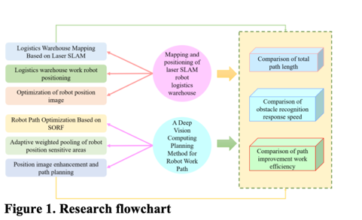 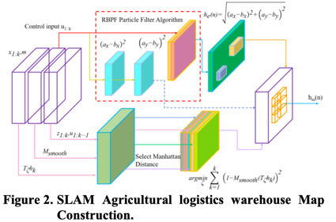 | Optimize robot movement and route selection for improved warehouse efficiency. Utilize RGB-D cameras and deep learning to help robots recognize objects, shelves, and obstacles in the warehouse. | I will use the techniques with their set ups defined | Autonomous robots equipped with LiDAR, RGB-D cameras, and IMU sensors. Each robot performs simultaneous localization and mapping (SLAM) while avoiding obstacles. The system evaluates single-robot and multi-robot coordination in the warehouse. | 3
20 | 2023 | Yue Li, Jianyou Zhao, Zenghua Chen, Gang Xiong, Sheng Liu | The process of path optimization and task allocation can become computationally expensive as the number of robots increases. Assigning tasks optimally in a multi-robot environment is challenging due to varying workloads and robot availability. | MDPI | Journal | Sustainability | global optimal path; path planning; | genetic algorithm; population fitness variance; global optimal path; path planning; dynamic window approach | The Hybrid Genetic Algorithm (HGA) requires significant processing power, which may slow down real-time path planning in large-scale warehouses. The system does not fully account for unpredictable human movement in shared workspaces. The research is conducted in a simulation environment, and real-world challenges like network delays, sensor inaccuracies, and mechanical failures were not tested. | Lidar IMU Ultrasonic Sensors RGB-D cameras | Hybrid Genetic Algorithm (HGA) for Path Planning Combines Genetic Algorithm (GA) with local search optimization to improve robot path planning.Ensures collision-free, shortest, and most efficient routes for warehouse robots. Assigns warehouse tasks to robots efficiently by balancing workloads. Prevents collisions by considering the real-time positions of all robots. Implements a priority-based movement system to handle simultaneous robot operations. | 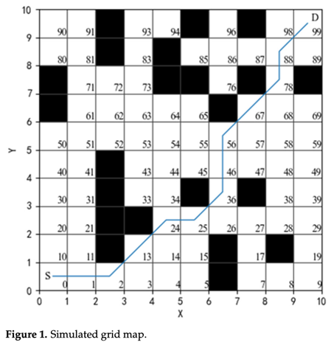 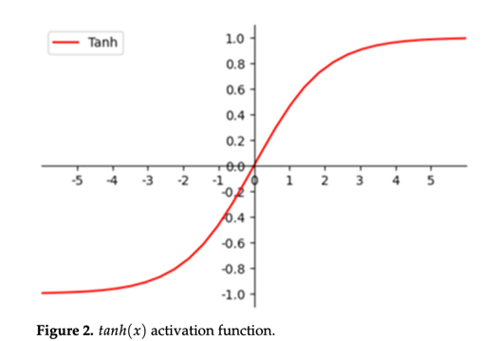 | Propose a Hybrid Genetic Algorithm (HGA) to optimize the path planning of automated warehouse robots. Ensure collision-free, shortest, and fastest routes for robot navigation. Implement a task allocation model that assigns tasks to robots efficiently based on workload balancing. | I will use the techniques with their set ups defined | Multi-Robot System Setup * Multiple autonomous robots are deployed to handle warehouse tasks. * Robots perform simultaneous path planning and task allocation. * The system evaluates single-robot and multi-robot performance. Hybrid Genetic Algorithm (HGA) optimizes path selection and collision avoidance. | 4

